Table 1

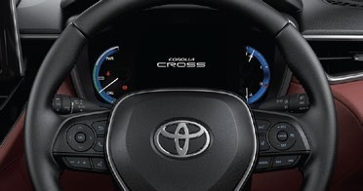

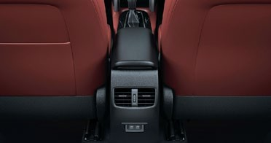

 |  |  |  |  |  |  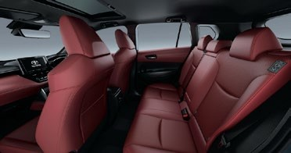 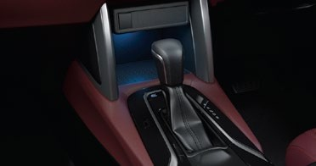 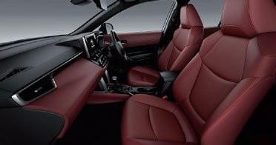 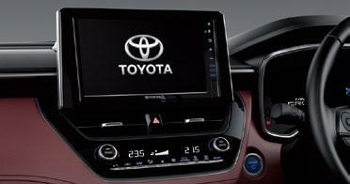

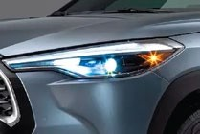

18-in Alloy Wheels
Roof Rails
 |  |  | 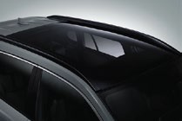

 | yyyyyy |  |  |  | PETROL - ZSG10R-DHXEK |  | HEV - ZVG10R-DHXEB
 | Overall | Length x Width x Height |  | mm | 4460 x 1825 x 1620
 |  | Wheelbase |  | mm | 2640
 | Tread | Front / Rear |  | mm | 1559 / 1571
 | Overhang | Front / Rear |  | mm | 955 / 865
 |  | Ground Clearance |  | mm | 161
 | Interior | Length x Width x Height |  | mm | 1725 x 1310 x 1195
 |  | Gross Vehicle Weight |  | kg | 1815 |  | 1850
 | Curb Weight | Min / Max |  | kg | 1325 / 1395 |  | 1385 / 1430
 | Fuel Tank Capacity | Total |  | L | 47 |  | 36
 | Seating Capacity | Persons |  |  | 5
 | Engine
 | Engine | Model Code |  |  | 2ZR-FE |  | 2ZR-FXE
 |  | No. of Cyls. & Arrangement |  |  | 4 cylinders, In-line type
 |  | Valve Mechanism |  |  | 16-Valve DOHC
 |  |  |  |  | chain drive
 |  |  |  |  | with VVT-i
 |  | Displacement |  | cm3 | 1798
 |  | Fuel System |  |  | Fuel Injection
 |  | Fuel Type |  |  | Gasoline
 | Max. Output | (Others: kW) / (Others: RPM) |  |  | 103 / 6400 |  | 72 / 5200
 | Max. Torque | (Others: N·m) / (Others: RPM Min.) |  |  | 172 / 4000 |  | 142 / 3600
 | Hybrid Model only
 | Motor | Type |  |  | - |  | Permanent magnet synchronous motor
 |  | Max. Output |  | Nm | - |  | 53
 |  | Max. Torque |  | RPM | - |  | 163
 | Hybrid Battery | Type |  |  | - |  | Nickel metal hydride battery
 |  | Battery Capacity (3HR) |  | (Ahr) | - |  | 6.5
 | Performance
 | Min. Turning Radius | Tire |  | m | 5.2
 |  | Body |  | m | 5.5
 | Drive Train
 | Transmission | Type |  |  | CVT
 | Brake System
 | Brake Type | Front |  |  | Ventilated disc brake with ﬂoating caliper 1-cylinder
 |  | Rear |  |  | Solid disc brake with ﬂoating caliper 1-cylinder
 | Brake Size | Front |  |  | 16" wheels suitable
 |  | Rear |  |  | 16" wheels suitable
 | Steering System
 |  | Steering Gear Type |  |  | Rack & pinion
 |  | Power Steering Type |  |  | Electric
 | Exterior
 |  | TIRE AND DISC WHEEL |  |  | 225/50R18 AL
 |  | ROOF RAIL |  |  | BLACK
 |  | HEADLAMP |  |  | LED
 |  | SUN ROOF AND MOON ROOF |  |  | PANORAMIC
 |  | DAYTIME RUNNING LIGHT SYSTEM |  |  | WITH
 |  | LUGGAGE AND BACK DOOR OPENER |  |  | POWER + KICK SENSOR
 | Interior
 |  | SHIFT SWITCH |  |  | STRAIGHT SHIFT
 |  | STARTING SYSTEM |  |  | PUSH(SMART) W/O STRLK
 |  | PERIPHERAL MONITOR CAMERA |  |  | BM |  | BGM
 |  | AIR CONDITIONER |  |  | AUTO A/C DUAL MODE
 |  | SEAT COVER MATERIAL |  |  | LEATHER
 |  | STEERING SWITCH |  |  | DISP(H)+A+T+V+CC
 | Safety
 |  | CRUISE CONTROL |  |  | CCS
 |  | FRONT COLLISION AIR BAG |  |  | D+P(S#L)+SD(TR)+CS+D#KNEE
Vehicle body colour might differ slightly from the printed photos in this catalog. Toyota Motor corporation reserves the right to alter any details of speciﬁcations and equipment without notice. Details of speciﬁcations and equipment are also subject to change to suit local conditions and requirements. Additions of extra features may change ﬁgures in this chart.
No.337, Negombo Road, Wattala. Tel: 0112 939 000 E-mail: Sales_inquiries@toyota.lk Web: www.toyota.lk

